BMW_final
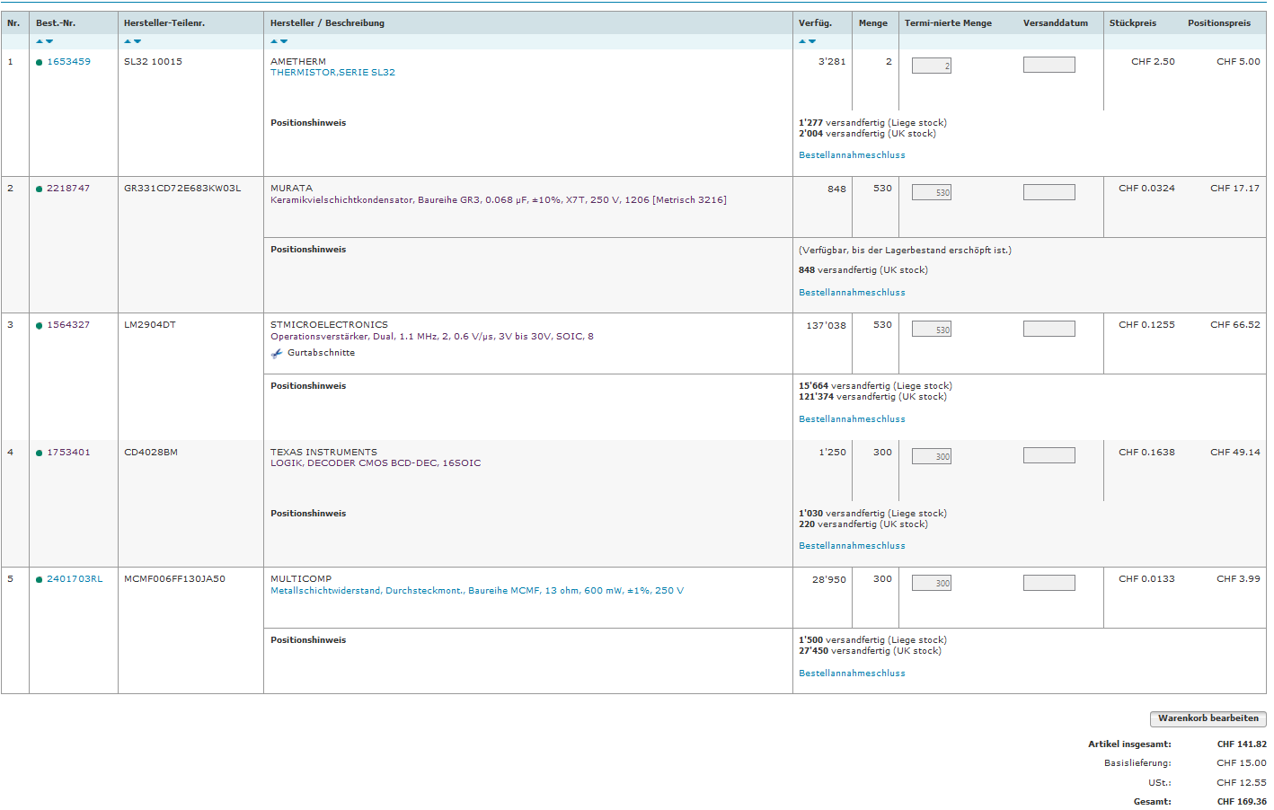
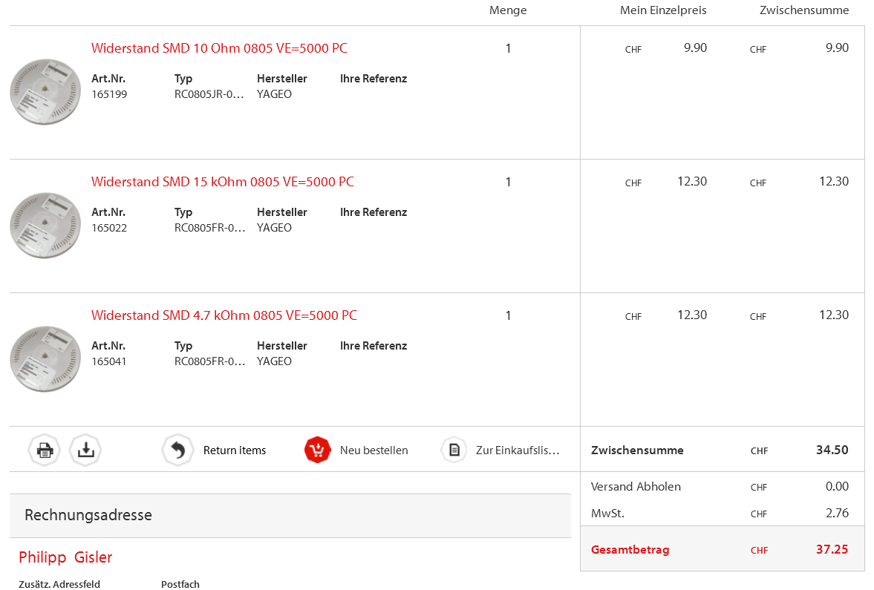
Qty/Board | Value | Device | Package | Parts | Description | Number Boards | tot number Parts | unit Price | total Price | Reichelt Art Nr. | link
2 |  | 2081-1132 | 12-PIN | 1, 2 | WAGO SREW CLAMP | 250 | 500 | 2.05 | 1025 | WAGO 2081-1132 | http://www.reichelt.de/WAGO-2081-1132/3/index.html?&ACTION=3&LA=446&ARTICLE=136698&artnr=WAGO+2081-1132&SEARCH=Klemmleiste+12-polig
11 |  | MMBTA42LT1-NPN-SOT23-BEC | SOT23-BEC | T1, T2, T4, T5, T6, T7, T8, T9, T10, T11, T12 | NPN Transistror | 250 | 2750 | 0.04 | 110 | SMBTA 42 SMD | https://secure.reichelt.de/index.html?ACTION=3;ARTICLE=41828;SEARCH=SMBTA%2042%20SMD
4 | BCP53T1 | BCP53T1 | SOT223 | T, T3, T13, T14 |  | 250 | 1000 | 0.1 | 100 | BCP 53-16 SMD | https://secure.reichelt.de/index.html?ACTION=3;ARTICLE=41323;SEARCH=BCP%2053-16%20SMD
8 | GF1 | GF1 | SMA-DO214AC | D1, D2, D3, D4, D5, D6, D7, D9 | DIODE | 250 | 2000 | 0.04 | 80 | S 1G SMD | http://www.reichelt.de/SB-SKE-4F-Dioden/S-1G-SMD/3/index.html?&ACTION=3&LA=2&ARTICLE=95354&GROUPID=2991&artnr=S+1G+SMD
2 | LM2904 | LM358D | SO08 | IC5,IC2 | OP AMP also LM158; LM258; LM2904 | 250 | 500 | 0.18 | 90 | LM 2904 D | https://www.reichelt.de/LM-2904-D/3/index.html?&ACTION=3&LA=446&ARTICLE=109387&artnr=LM+2904+D&SEARCH=lm2904
1 | 4028D | 4028D | SO16 | IC3 | BCD to decimal DECODER | 250 | 250 | 0.34 | 85 | SMD 4028 | http://www.reichelt.de/SMD-4028/3/index.html?&ACTION=3&LA=446&ARTICLE=18455&artnr=SMD+4028&SEARCH=4028
1 | 6V pos | 78LXX | 78LXX | IC1 | VOLTAGE REGULATOR | 250 | 250 | 0.13 | 32.5 | µA 78L06 | http://www.reichelt.de/-A-78L06/3/index.html?&ACTION=3&LA=446&ARTICLE=23471&artnr=%C2%B5A+78L06&SEARCH=78L06
1 | 317T | 317T | TO220H | IC4 | Positive VOLTAGE REGULATOR | 250 | 250 | 0.22 | 55 | LM 317-220 SG | http://www.reichelt.de/LM-317-220-SG/3/index.html?&ACTION=3&LA=446&ARTICLE=120703&artnr=LM+317-220+SG&SEARCH=317
2 | 6.8 | R-EU_R0805 | R0805 | R40, R41 | RESISTOR, European symbol | 250 | 500 | 0.103 | 51.5 | SMD-0805 6,80 | http://www.reichelt.de/SMD-0805-1-00-Ohm-8-20-Ohm/SMD-0805-6-80/3/index.html?&ACTION=3&LA=2&ARTICLE=33335&GROUPID=3094&artnr=SMD-0805+6%2C80
1 | 13 | R-EU_0207/10 | 0207/10 | R18 | RESISTOR, European symbol | 250 | 250 | 0.083 | 20.75 | METALL 13,0 | http://www.reichelt.de/1-4W-1-10-0-Ohm-97-6-Ohm/METALL-13-0/3/index.html?&ACTION=3&LA=2&ARTICLE=11497&GROUPID=3076&artnr=METALL+13%2C0
2 | 47 | R-EU_V235/17 | V235/17 | R27, R28 | RESISTOR, European symbol | 250 | 500 | 0.09 | 45 | 2W METALL 47 | http://www.reichelt.de/2W-METALL-47/3/index.html?&ACTION=3&LA=446&ARTICLE=2353&artnr=2W+METALL+47&SEARCH=2W+metall+47
3 | 1k | R-EU_R0805 | R0805 | R13, R24, R38 | RESISTOR, European symbol | 250 | 750 |  | 0
2 | 4.7k | R-EU_R0805 | R0805 | R1,R17 | RESISTOR, European symbol | 250 | 500 | 0.103 | 51.5 | SMD-0805 4,70K | http://www.reichelt.de/SMD-0805-1-00-k-Ohm-8-20-k-Ohm/SMD-0805-4-70K/3/index.html?&ACTION=3&LA=2&ARTICLE=32894&GROUPID=3097&artnr=SMD-0805+4%2C70K
2 | 15k | R-EU_R0805 | R0805 | R6, R15 | RESISTOR, European symbol | 250 | 500 | 0.103 | 51.5 | SMD-0805 15,0K | http://www.reichelt.de/SMD-0805-10-0-k-Ohm-82-0-k-Ohm/SMD-0805-15-0K/3/index.html?&ACTION=3&LA=2&ARTICLE=32900&GROUPID=3098&artnr=SMD-0805+15%2C0K
12 | 10k | R-EU_R0805 | R0805 | R2, R3, R4, R5, R16, R25, R26, R32, R33, R34, R35, R36 | RESISTOR, European symbol | 250 | 3000 |  | 0
6 | 27k | R-EU_R0805 | R0805 | R7, R8, R9, R19, R21, R37 | RESISTOR, European symbol | 250 | 1500 |  | 0
7 | 100k | R-EU_R0805 | R0805 | R10, R12, R14, R23, R29, R30, R31 | RESISTOR, European symbol | 250 | 1750 |  | 0
2 | 100u | C-EUC1206K | C1206K | C2, C3 | CAPACITOR, European symbol | 250 | 500 | 0.26 | 130 | X5R-G1206 100/6 | http://www.reichelt.de/Vielschicht-SMD-G1206-High-Cap/X5R-G1206-100-6/3/index.html?&ACTION=3&LA=2&ARTICLE=89744&GROUPID=4340&artnr=X5R-G1206+100%2F6
2 | 68nF | C-EUC1206K | C1206K | C4, C5 | CAPACITOR, European symbol | 250 | 500 | 0.04 | 20 | X7R-G1206 68N | http://www.reichelt.de/X7R-G1206-100N/3/index.html?&ACTION=3&LA=446&ARTICLE=22889&artnr=X7R-G1206+100N&SEARCH=x7r-g1206
1 | 4.7u | C-EUC0805K | C0805K | C1B | CAPACITOR, European symbol | 250 | 250 | 0.05 | 12.5 | X5R-G0805 4,7 | http://www.reichelt.de/Vielschicht-SMD-G1206/X7R-G1206-68N/3/index.html?ACTION=3;ARTICLE=107465;SEARCH=X5R-G0805%204,7
1 | 22-23-2021 | 22-23-2021 | 22-23-2021 | X2 | .100 (2.54mm) Center Header - 2 Pin" | 0.1 | 0.1 | 0.37 | 0.037 | SL 1X50G 2,54 | http://www.reichelt.de/Stiftleisten/SL-1X50G-2-54/3/index.html?&ACTION=3&LA=2&ARTICLE=19508&GROUPID=3220&artnr=SL+1X50G+2%2C54&SEARCH=STIFTLEISTE
1 |  |  |  |  | Gehäuse | 1 | 1 | 2.3 | 2.3 | SP 2000 SW | http://www.reichelt.de/SP-2000-SW/3/index.html?&ACTION=3&LA=446&ARTICLE=33824&artnr=SP+2000+SW&SEARCH=SP+2000+SW
2 |  |  |  |  | Bürklin Stecker 12pin TE CONNECTIVITY 12P MOD 1 SHROUDED HEADER | 1 | 2 | 1.08 | 2.16 | 280614-1
1 |  | CON_BMW | 24-PIN | X1 | BMW CONNECTOR (self made) | 1 | 1 |  | 0
 |  |  |  |  |  |  |  | ohne MWST | 1964.747
 |  |  |  |  |  |  |  | mit MWST | 2377.34387

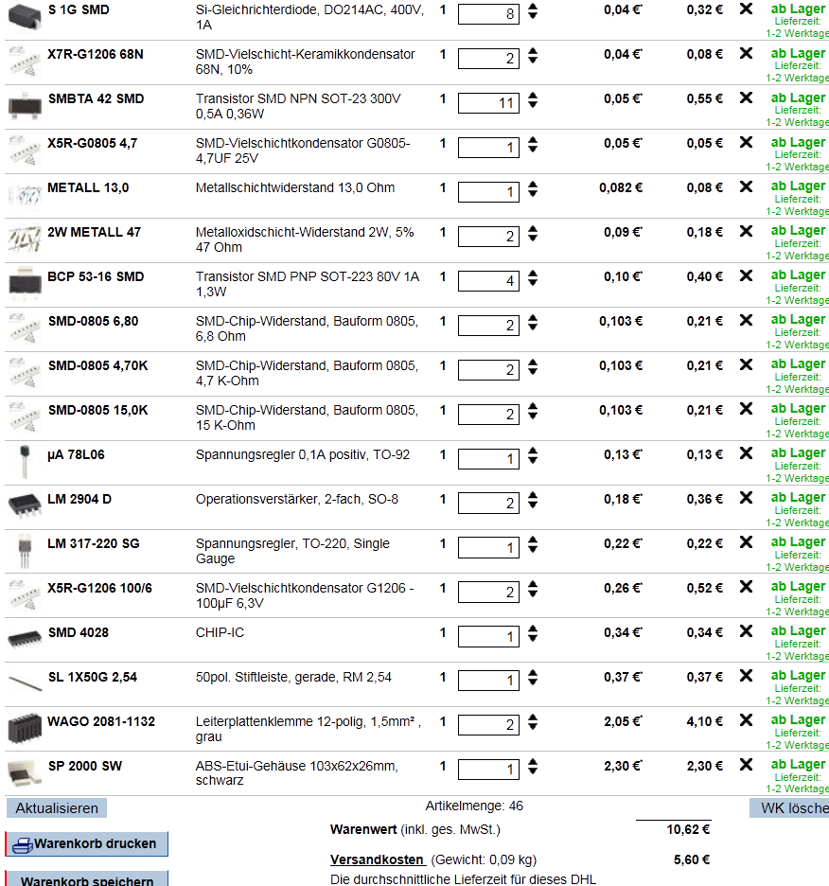

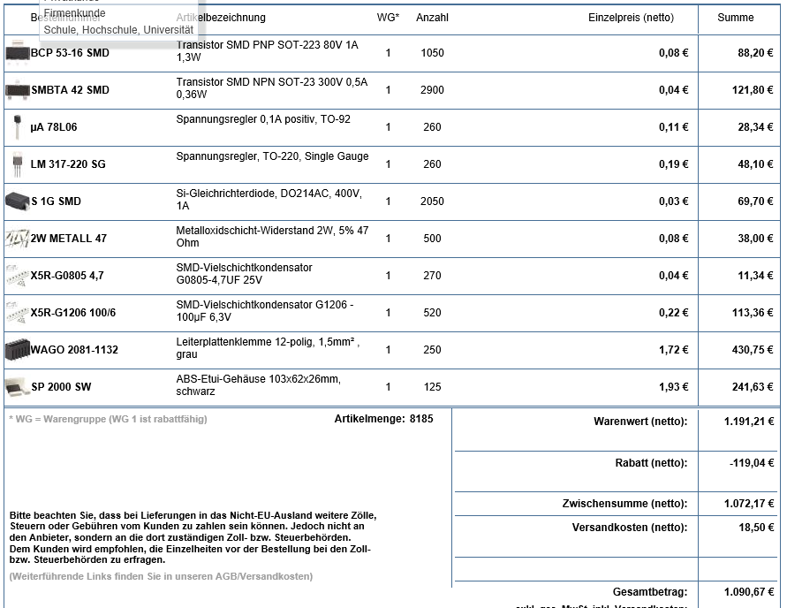

 |  |  |  |  |  |  |  |  |  |  |  | Ihre bestellten Artikel:

 |  |  |  |  |  |  |  |  |  |  |  | Artikelnummer | Bezeichnung | Anzahl | Gesamtpreis
 |  |  |  |  |  |  |  |  |  |  |  | BCP 53-16 SMD | Transistor SMD PNP SOT-223 80V 1A 1,3W | 1050 | 88,20 €
 |  |  |  |  |  |  |  |  |  |  |  |  |  |  | (88,20 € netto)
 |  |  |  |  |  |  |  |  |  |  |  | SMBTA 42 SMD | Transistor SMD NPN SOT-23 300V 0,5A 0,36W | 3000 | 126,00 €
 |  |  |  |  |  |  |  |  |  |  |  |  |  |  | (126,00 € netto)
 |  |  |  |  |  |  |  |  |  |  |  | µA 78L06 | Spannungsregler 0,1A positiv, TO-92 | 260 | 28,34 €
 |  |  |  |  |  |  |  |  |  |  |  |  |  |  | (28,34 € netto)
 |  |  |  |  |  |  |  |  |  |  |  | LM 317-220 SG | Spannungsregler, TO-220, Single Gauge | 260 | 48,10 €
 |  |  |  |  |  |  |  |  |  |  |  |  |  |  | (48,10 € netto)
 |  |  |  |  |  |  |  |  |  |  |  | S 1G SMD | Si-Gleichrichterdiode, DO214AC, 400V, 1A | 2050 | 69,70 €
 |  |  |  |  |  |  |  |  |  |  |  |  |  |  | (69,70 € netto)
 |  |  |  |  |  |  |  |  |  |  |  | 2W METALL 47 | Metalloxidschicht-Widerstand 2W, 5% 47 Ohm | 500 | 38,00 €
 |  |  |  |  |  |  |  |  |  |  |  |  |  |  | (38,00 € netto)
 |  |  |  |  |  |  |  |  |  |  |  | X5R-G0805 4,7 | SMD-Vielschichtkondensator G0805-4,7UF 25V | 270 | 11,34 €
 |  |  |  |  |  |  |  |  |  |  |  |  |  |  | (11,34 € netto)
 |  |  |  |  |  |  |  |  |  |  |  | X5R-G1206 100/6 | SMD-Vielschichtkondensator G1206 - 100µF 6,3V | 520 | 113,36 €
 |  |  |  |  |  |  |  |  |  |  |  |  |  |  | (113,36 € netto)
 |  |  |  |  |  |  |  |  |  |  |  | WAGO 2081-1132 | Leiterplattenklemme 12-polig, 1,5mm² , grau | 250 | 430,75 €
 |  |  |  |  |  |  |  |  |  |  |  |  |  |  | (430,75 € netto)
 |  |  |  |  |  |  |  |  |  |  |  | SP 2000 SW | ABS-Etui-Gehäuse 103x62x26mm, schwarz | 125 | 241,63 €
 |  |  |  |  |  |  |  |  |  |  |  |  |  |  | (241,63 € netto)

 |  |  |  |  |  |  |  |  |  |  |  | Warenwert |  |  | 1.195,42 €
 |  |  |  |  |  |  |  |  |  |  |  |  |  |  | (1.195,42 € netto)
 |  |  |  |  |  |  |  |  |  |  |  | Rabatt |  |  | -119,46 €
 |  |  |  |  |  |  |  |  |  |  |  | Versandkosten |  |  | 18,50 €
 |  |  |  |  |  |  |  |  |  |  |  |  |  |  | (18,50 € netto)
 |  |  |  |  |  |  |  |  |  |  |  | Gesamtpreis |  |  | 1.094,45 €
 |  |  |  |  |  |  |  |  |  |  |  |  |  |  | (1.094,45 € netto)

